Sheet1
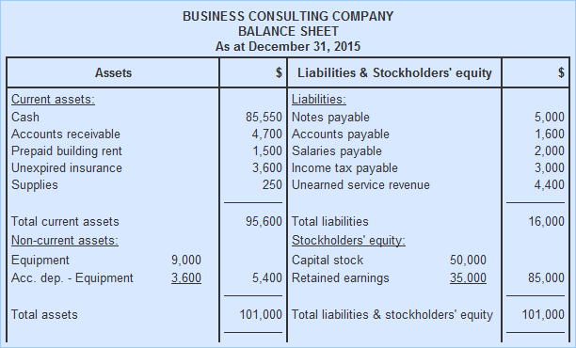
Business Consulting Company
Balance Sheet
As per December 31, 2017
Assets | Rs. | Liabilities and Stockholder's Equity | Rs.
Current assets:
Cash
Account Receivable
Prepaid building rent
Unexpired insurance
Supplies
Total Current Assests
Non

